Term 4
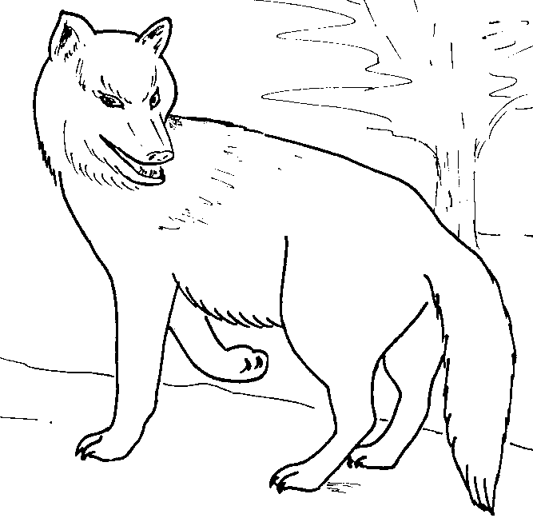
 | 1st SANDRINGHAM
 | CUB SCOUTS
 | Activity Program
 | Term 4 2015

Themes for the Term

MEETING DATE | THEME | DUTY SIX | TEST | Comments
Term 4 2015
2015-10-08 | Games Night | Brown |  | Boomerang Test 1
2015-10-15 | Billy Cart Preparation | Red |  | Space Badge
2015-10-18 | Billy Cart Derby (District) |  |  | Boomerang Test 7
2015-10-22 | No Cubs - Pack Council (Sixes & Seconds
2015-10-29 | Halloween | White
2015-11-05 | Compass/Outdoor Skills | Black |  | Boomerang Test 4
2015-11-12 | Bike Hike
13 - 15 November | District Camp - Sixers. Seconds & 10 y/o
2015-11-19 | Christmas Decorations | Grey |  | Boomerang Test 3
2015-11-26 | Christmas Cooking | Brown |  | Boomerang Test 8
2015-12-01 | Beach night - break up night with Joeys
2016-02-04 | Cubs Return Term 4 | Red

Our meetings start at 7.00 pm. Please make sure you are at the hall by 6.55 pm and ready for the opening of the meeting. Duty six must prepare the flag for flag break.
You must be collected by a responsible adult from the Hall after the meeting. No Cub Scout should leave the hall until the person picking them up arrives in the hall.

Leaders | Rachael Luke | Mob 0438670390
 | Genevieve Kanowski | Mob 0437540989
 | Brian Cook | Mob 0412260615
 | Roster for Parent Helpers

MEETING DATE | THEME | FAMILY ROSTER
Term 4 2015
2015-10-08 | Games Night | BIRT, BILLINGTON, SALLABANK, HIBBERSON,ROBBINS
2015-10-15 | Billy Cart Preparation | ALLEN, MACKIGGAN, GARNER, ASTL', DALEY
2015-10-18 | Billy Cart Derby (District)
2015-10-22 | No Cubs - Pack Council (Sixes & Seconds
2015-10-29 | Halloween | DEMETRIADES, PENNINGTON, TRENFIELD, NICOL, PAINTER
2015-11-05 | Compass/Outdoor Skills | COOPER, MARCUS, HOLLINGSWORTH, WIGHTMAN, SADO
2015-11-12 | Bike Hike
2015-11-19 | Christmas Decorations | KERR-BELL, JOUGHIN, HYNES, VASSALLO, MARCUS
2015-11-26 | Christmas Cooking | COLE, PEWTRESS, GODSON, WIGHTMAN,CRAIG
2015-12-01 | Beach night - break up night with Joeys
2016-02-04 | Cubs Return Term 4

