Term 4
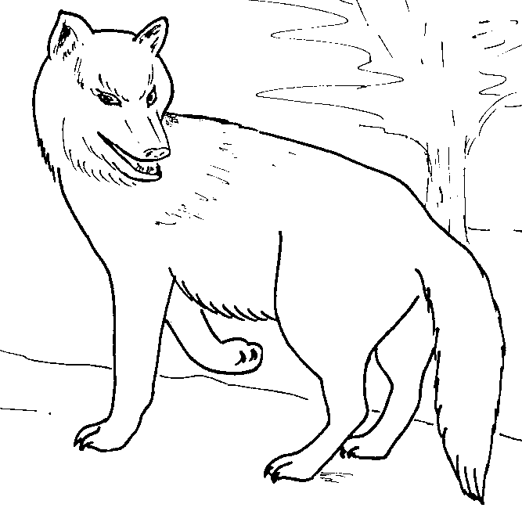
 | 1st SANDRINGHAM
 | CUB SCOUTS
 | Activity Program
 | Term 1 2016

Themes for the Term - Art and Craft

MEETING DATE | THEME | DUTY SIX | Comments
Term 1 2016
2016-02-11 | Games Night & Jamboree | Brown | Scouts to present
18th Feb | Pancake Night Cook-Off - "Which Six Rules?" | Red | Bring an apron
2016-02-25 | Founders Day - Beach Night |  | To be Advised
2016-03-03 | Art Night | White | Art & Design Badge
2016-03-06 | Clean up Australia |  | Sandringham Beach
2016-03-10 | Complete Art Badge Work | Black | Art & Design Badge
2016-03-15 | Easter Craft | Grey | Tuesday - Joeys
2016-03-21 | Going Up Ceremony |  | All Sections
2016-04-14 | Cubs Return Term 4 | Brown

Our meetings start at 7.00 pm. Please make sure you are at the hall by 6.55 pm and ready for the opening of the meeting. Duty six must prepare the flag for flag break. Cubs must be collected by a responsible adult from the Hall after the meeting. No Cub should leave the hall until the person picking them up arrives in the hall.

Leaders | Rachel Luke | Mob 0438670390 | lukejj2@bigpond.com
 | Genevieve Kanowski | Mob 0437540989 | gakanowski@gmail.com
 | Brian Cook | Mob 0412260615 | gl.1stsandringham@scoutsvictoria.com.au

 | Roster for Parent Helpers

Cub Night | Black | Brown | Grey | Red | White
2016-02-18 | ASTL | JOUGHIN | ROBBINS | PENNINGTON | WIGHTMAN
2016-03-03 | GARNER | COLE | BURGON | VASSALLO | CRAIG
2016-03-10 | HENRY | DALEY | SALLABANK | PAINTER | TRENFIELD
2016-03-15 | EVANS | LEWIS | NICOL | SARDO | GODSON-VERSCHUUR
2016-04-14 | MACKIGGAN | MARCUS | HUNT | WARNE | HYNES

